Screen Description
 |  |  | [ros-2018] BASIC DESIGN |  |  | System name |  |  | Screen/Module Name
 |  |  |  |  |  | Golden Bowl |  |  | Admin Add Menu Item Page |  |  |  |  | Version | 2.000
 |  |  |  |  |  |  |  |  |  |  |  |  |  | Create Date | 2018-07-29 | Created By | Oplas, Andrew
 |  |  |  |  |  |  |  |  |  |  |  |  |  | Update Date | 2018-10-17 | Updated by | Oplas, Andrew

Screen Description |  |  |  |  |  |  |  |  |  |  |  |  |  | Purpose

 | 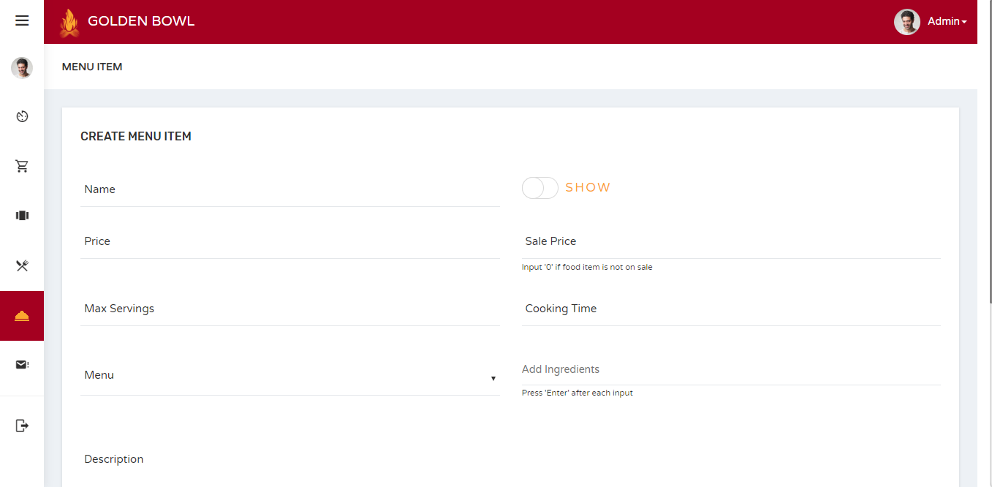 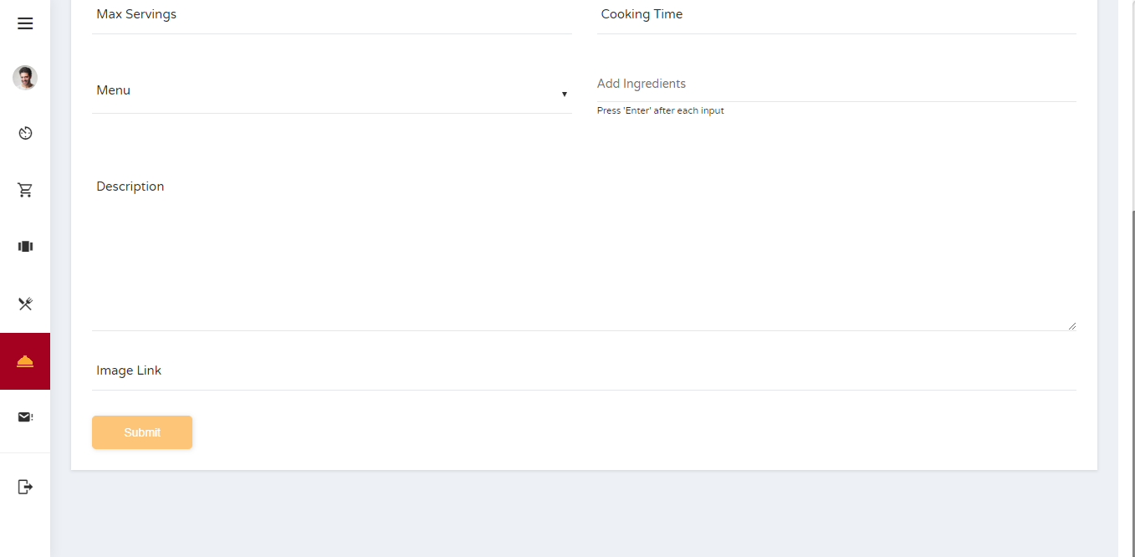 |  |  |  |  |  |  |  |  |  |  |  |  | The main purpose of this page is to let the administrator edit a menu item.

 |  |  |  |  |  |  |  |  |  |  |  |  |  | Flow

 |  |  |  |  |  |  |  |  |  |  |  |  |  | There is a sidebar where the admin can jump into multiple pages that he/she would like to.

Screen Details

 | Item | Screen Item |  | Attribute | Mandatory |  | Range of Values | Format |  | Length | Default | Alignment | Remarks
 | 1 | txtName |  | TextField | ○ |  | alpha-numeric values | N/A |  | 1 ~ 50 | NULL | Left
 | 2 | txtPrice |  | TextField | ○ |  | alpha-numeric values | N/A |  | 1 ~ 10 | NULL | Left
 | 3 | chkbxShow |  | Checkbox | ○ |  | boolean | N/A |  | 1 ~ 10 | FALSE | Left
 | 4 | txtSalePrice |  | TextField | ○ |  | numeric values | N/A |  | 1 ~ 10 | NULL | Left
 | 5 | txtMaxServings |  | TextField | ○ |  | numeric values | N/A |  | 1 ~ 3 | NULL | Left
 | 6 | txtCookingTime |  | TextField | ○ |  | numeric values | N/A |  | 1 ~ 10 | NULL | Left
 | 7 | SlctMenu |  | Select | ○ |  | numeric values | N/A |  | 1 ~ 30 | NULL | Left
 | 8 | txtIngredients |  | TextField | ○ |  | alpha-numeric values | N/A |  | 1 ~ 100 | NULL | Left
 | 9 | txtDescription |  | TextField | ○ |  | alpha-numeric & special character values | N/A |  | 1 ~ 300 | NULL | Left
 | 10 | txtImageLink |  | TextField | ○ |  | alpha-numeric & special character values | N/A |  | 1 ~ 100 | NULL | Left

